My Financial Goals
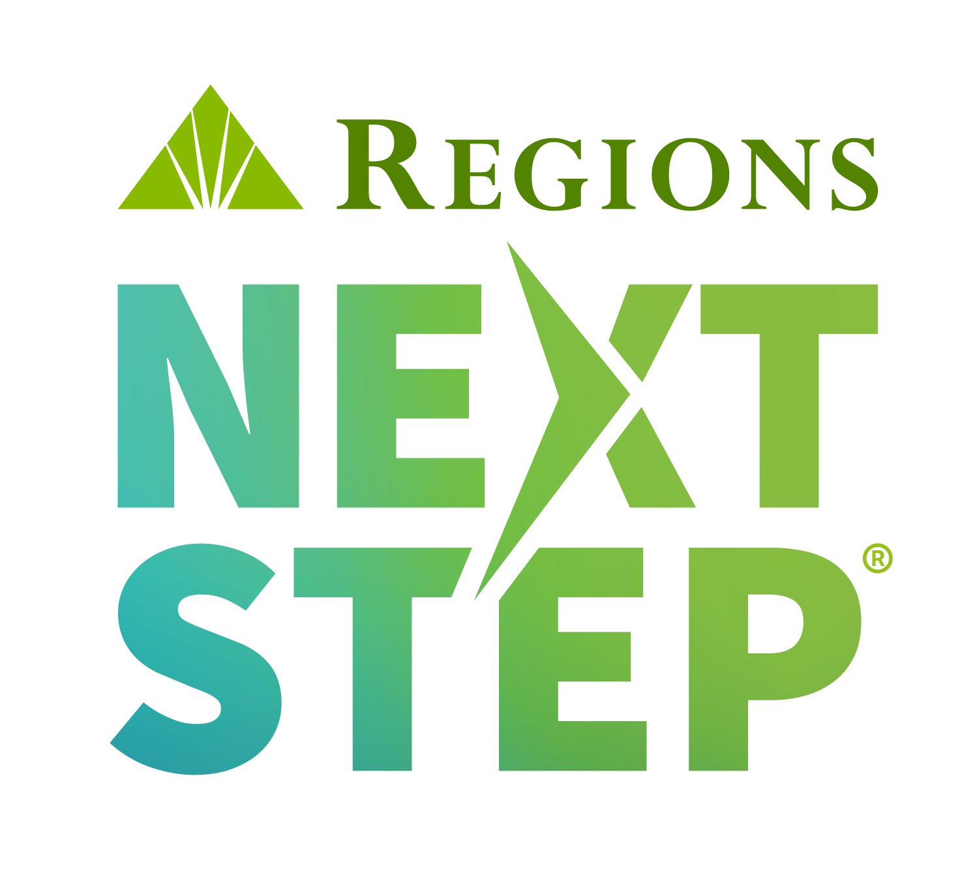
MY FINANCIAL GOALS
My goals as of
Working toward a financial goal is achievable with commitment and planning. Financial goals are often a combination of saving toward goals and reducing debt. Write your goals in priority order here as the first step to creating a strategy to reach them.
Prioritize Your Goals
Goal #1 | Emergency Fund |  |  |  |  | TIP
Goal #2 |  |  |  |  |  | Saving the equivalent of 3-6 months of living expenses in an emergency fund should be your first/top financial goal.
Goal #3
Goal #4
Create Your Strategy
Reduce Debt
When considering financial goals, it’s helpful to evaluate all of your debt. List all of your debts here with the highest interest rates first. Debt can include a mortgage, home equity loan/line, student loans, auto loans, credit cards, etc.

Debt | Monthly Payment | Total Owed | Interest Rate (APR)

 |  |  |  |  | TIP
 |  |  |  |  | Use any extra money in your budget to pay off the high interest rate debt first.

Reach Your Goals
Now that your goals are prioritized and you have a clear snapshot of any debts, the next step is to think about whether your goals are short-, medium-, or long-term goals. Then complete the chart below and calculate how much money you will need each month to reach your goals.
 | Total $ Needed | ÷ # of Months = |  | Amount Needed Each Month to Reach Your Goal
Short-term (<12 months)

Medium-term (12 months - 5 years)

Long-term (5+ years) |  |  |  |  |  | TIP
 |  |  |  |  |  | For long-term goals it is best to automate your savings. Visit your local branch to find ways to automatically save money in a savings account or other investment option for your future. You’ll be glad you did!

This information is general in nature and is not intended to be specific legal, tax, or financial advice. Although Regions believes this information to be accurate, it cannot ensure that it will remain up to date. Statements or opinions of individuals referenced herein are their own—not Regions’. Consult an appropriate professional concerning your specific situation and irs.gov for current tax rules.
 | © 2022 Regions Bank. Regions, Regions Next Step, the Regions Next Step logo, and the Regions logo are registered trademarks of Regions Bank. The LifeGreen color is a trademark of Regions Bank.

